Sheet1

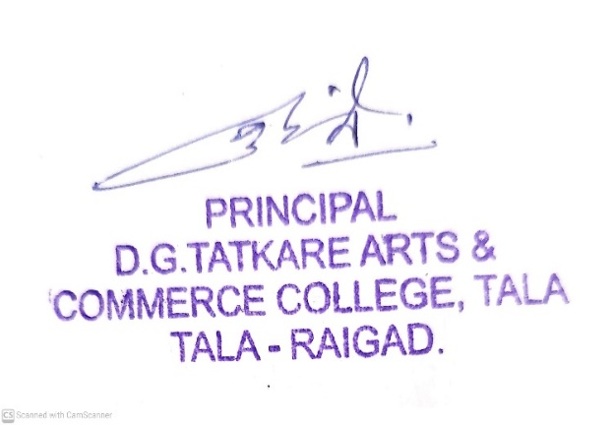
Tale Vibhag Shikshan Prasarak Mandal
D.G.TATKARE ARTS & COMMERCE COLLEGE TALA-RAIGAD
Renewal Subsctiption of Periodicals (2020 - 2021)
Sr.No. | Name of serial | DD/ Cheque/NEFT Favour of | address | Dept | Fre. | Sub.Amt
1 | International Research Journals of Geography | BOI /D.D.No.-008617 | Dr.JyotiramMore(Secretary,MBP,Pune Head,Department of Geography,B.J.S.College,Wagholi,pune.mob-8983349170 | Geography | Monthly | 500
2 | Udhojak | BOI /D.D.No.-008618 | Sampadak Udhojak A-38 MIDC Railway Station Parisar Aurangabad-431005-Email- Udyojakmagazine1@gmail.com | Economics | Monthly | 500
3 | Samaj Prabhodhan Patrika | BOI /D.D.No.-008619 | Samaj Prabhodhan Patrika 416 R.K. Narhausing soscity no.6-pacgoan-kolhapur-416013 | Economicres | Monthly | 300
4 | Yojana | BOI /D.D.No.-008620 | Yojana Masik Karyalay 701 B wing 7 floor kendriy sadan sector10 -CBD Belapur-Navi-Mumbai-4000614 Email: myojanadpd@gmail.com | Political science | Monthly | 230
5 | Chanakya Mandal | BOI /D.D.No.-008621 | Chanakya Mandal Parivar 1557 Sadashiv peth navi peth vithhal Mandira javal pune-30 chanakyamandal1996@gmail.com | Gk | Monthly | 500
6 | Nokari Sandharbh | NEFT.A/c.No.090120110000006 | Nokari Sandharbha A wing,First,Floor.Mahalaxmi Chambers, Near ST Stand Kolhapur-416001 mob-992345744 | Gk | weekly | 500
7 | Arthniti | NEFT A/c.No.017230100005108 | Ashok Nania Shinde A/202 dadar west Mumbai-400028 | Economicres | Monthly | 120
8 | Vanijya vishwa | BOI /D.D.No.-008622 | Editor Vanijya Vishwa C/o The Poona Marchants Chamber- Vyapar Bhawan,C-50,Gultekdi,Market Yard pune-411037 | Commerce | Monthly | 708
9 | Lalit | NEFT. A/c.No.20053701006 | Sampdak Ashok keshav kothavale Lalit 308 finix 456 svp Road-mumbai | Marathi | Monthly | 450
10 | Sadhana | BOI /D.D.No.-008623 | Sadhana Prakashan431 Shanivarpeth-pune -411030 | Marathi | weekly | 800
11 | Prayogita Darpan | BOI /D.D.No.-008624 | Registered Office: 2/11, A Swadeshi Bima Nagar, Agra – 282002 | Gk | Monthly | 725
12 | Satyagrahi | NEFT. A/c.No.20057098513 | Kranti Niketan 1468 Sadashiv peth s.p college samor pune-411030 | Political science | Monthly | 280
13 | Economic & Political Weekly(wpw) | BOI /D.D.No.-008625 | Economic & Political Weekly 320-321, A-Z Industrial Estate, Ganpatrao Kadam Marg, Lower Parel Mumbai 400 013 INDIA Phone No.: (+ 91-22-40638282 | Economicres | weekly | 3068
14 | University News | BOI /D.D.No.-008626 | ASSOCIATION OF INDIAN UNIVERSITIES- 16, Comrade Indrajit Gupta Marg, New Delhi – 110 002 (011) 23230059 Extn. 208/213 (M) 09818621761 |  | weekly | 1250
15 | Khel | BOI /D.D.No.-008627 | Mangesh Narayanrav Kale 15 B Aanadmai B wing Haushing Socity Hotel Javal kave Road pune-411004 | Sports | Monthly | 400
16 | Vyapari Mitra | NEFT A/c.No.20084102041 | Parshuram kuti 106/9 Arandwane near old shamrav klmadi highschool 411004 | commetrce | Monthly | 700
17 | Vicharmanthan Marathi | BOI /D.D.No.-008628 | plot number 1 sidhhi vinayak colony pimpary road jalgoan-425001 | Economices | Quarterly | 3000
18 | Rojgar Nokari Sandharbh | NEFT A/c.No.870820110000324 | Rojagar Noukari Sandarbha-Nagpur | Gk | weekly | 551
19 | Shreemukti Sanghatana | BOI /D.D.No.-008629 | Sanghatan 31 Shrmik royal kest lokmanya tilak vasahat marg 3 Dadar-400014 | marathi | Monthly | 100
20 | Mukthshabdh | BOI /D.D.No.-008630 | Shabdh Publication shop number 9/10 kulprem socity vazirnaka borivali mumbai-400091 | marathi | Monthly | 1000
21 | Akshar prerani | BOI /D.D.No.-008631 | Sampadak Balasaheb Ghogade Dhayari Benkarnagar Anganwadi javal pune-411041 | marathi | Monthly | 500
22 | Aivaji | BOI /D.D.No.-008632 | Aivaji Ramesh Engale utradkar shikshak colany jijamata nagar buldhana-443001 | marathi | Monthly | 500
23 | Andhasharha Nirmulan Patrrika | NEFT A/c.No.173100100001155 | Andhashrdha Nirmulan Vartapatra Kartik Apartment F 4 Rajashri Shaunagar Sahara Chauk Sanjay Nagra Sangali-416413 | politics | Monthly | 450
24 | Indian Journal of Marketing | NEFT A/c.No.652700940713 | Meenakshi Gilani- subscription Managar Arthshastra Indian Journal of Economics & Research Y-21,Hauz Khas-New Delhi-110016 | commetrce | Monthly | 10,200
 | Indian Journal of Finance |  |  | commerce | Monthly
 | Prabandhan : Indian Journal of Management |  |  | Economices | Monthly
 | Indian journal of Economice & Research |  |  | Economices | Quarterly
25 | N-list- (Ebooks,E -journals) |  | Director, INFLIBNET Centre Gandhinagar, Gujarat | alll subject |  | 5900
29 | Balkrushna Mulay Agency |  | At,Post-Tala,Raigad |  |  | 700
30 | Balkrushna Mulay Agency
 |  |  | Total Amount |  |  | 33932

